Foreign Cheque Request
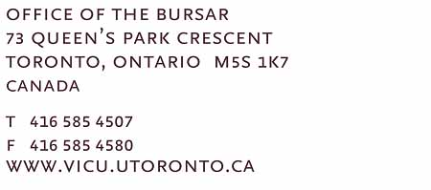
Foreign Draft Request
To: FAX NUMBER: 1-877-301-3293 |  |  |  | Date
BANK OF MONTREAL, 0002 1252-733
**** PLEASE CALL 416-585-4507 WHEN DRAFTS/MONEY ORDERS ARE READY TO PICK UP (BR # 0389 BAY AND BLOOR MANULIFE CENTRE) AND/OR IF TRANSMISSION IS UNCLEAR ****

Requisition No. | In Favour of * | Address * | Type of Currency * | Amount * | G/L Account Number *

DEPT. AUTHORIZATION:

 |  |  | FOR FINANCE OFFICE USE ONLY
 |  |  | APPROVED:
 |  |  | APPROVED:

 |  |  | * indicate required fields

